Daily Power Station Chart_15-01
Plant_28/03/2025Chart

Plant:odco1 |  |  | Installed Capacity:111.180kWp
Today Yield(kWh):454.900kWh |  | Today Earning:181960.000TND |  | Today Full Load Hours(h):4.09h

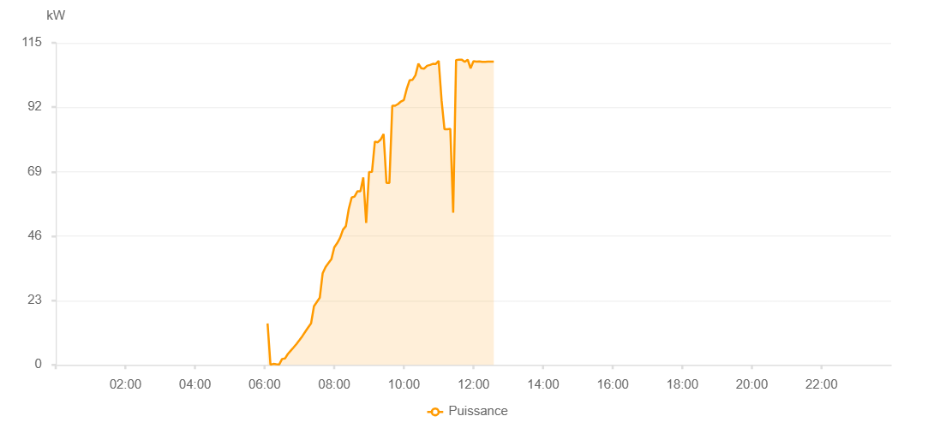

Number | Time | Working State | PV(W) | Instantaneous Radiation(W/㎡)
1 | 06:05:00 | Online | 14760.00000 | 853.00000
2 | 06:10:00 | Online | 20.00000 | 0
3 | 06:15:00 | Online | 360.00000 | 493.00000
4 | 06:20:00 | Online | 230.00000 | 493.00000
5 | 06:25:00 | Online | 140.00000 | 5.00000
6 | 06:30:00 | Online | 2100.00000 | 472.00000
7 | 06:35:00 | Online | 2270.00000 | 44.00000
8 | 06:40:00 | Online | 3900.00000 | 61.00000
9 | 06:45:00 | Online | 5100.00000 | 413.00000
10 | 06:50:00 | Online | 6260.00000 | 104.00000
11 | 06:55:00 | Online | 7510.00000 | 126.00000
12 | 07:00:00 | Online | 8880.00000 | 150.00000
13 | 07:05:00 | Online | 10260.00000 | 171.00000
14 | 07:10:00 | Online | 11830.00000 | 199.00000
15 | 07:15:00 | Online | 13390.00000 | 199.00000
16 | 07:20:00 | Online | 14830.00000 | 222.00000
17 | 07:25:00 | Online | 20940.00000 | 271.00000
18 | 07:30:00 | Online | 22470.00000 | 298.00000
19 | 07:35:00 | Online | 23990.00000 | 323.00000
20 | 07:40:00 | Online | 32720.00000 | 349.00000
21 | 07:45:00 | Online | 34930.00000 | 372.00000
22 | 07:50:00 | Online | 36340.00000 | 390.00000
23 | 07:55:00 | Online | 37720.00000 | 413.00000
24 | 08:00:00 | Online | 41960.00000 | 431.00000
25 | 08:05:00 | Online | 43470.00000 | 452.00000
26 | 08:10:00 | Online | 45360.00000 | 472.00000
27 | 08:15:00 | Online | 48250.00000 | 493.00000
28 | 08:20:00 | Online | 49560.00000 | 519.00000
29 | 08:25:00 | Online | 55690.00000 | 546.00000
30 | 08:30:00 | Online | 59750.00000 | 853.00000
31 | 08:35:00 | Online | 60080.00000 | 853.00000
32 | 08:40:00 | Online | 61990.00000 | 853.00000
33 | 08:45:00 | Online | 61990.00000 | 629.00000
34 | 08:50:00 | Online | 66940.00000 | 834.00000
35 | 08:55:00 | Online | 50720.00000 | 834.00000
36 | 09:00:00 | Online | 68870.00000 | 834.00000
37 | 09:05:00 | Online | 68890.00000 | 704.00000
38 | 09:10:00 | Online | 79730.00000 | 684.00000
39 | 09:15:00 | Online | 79490.00000 | 0
40 | 09:20:00 | Online | 80460.00000 | 834.00000
41 | 09:25:00 | Online | 82430.00000 | 817.00000
42 | 09:30:00 | Online | 64960.00000 | 817.00000
43 | 09:35:00 | Online | 64960.00000 | 817.00000
44 | 09:40:00 | Online | 92530.00000 | 817.00000
45 | 09:45:00 | Online | 92530.00000 | 834.00000
46 | 09:50:00 | Online | 93150.00000 | 853.00000
47 | 09:55:00 | Online | 94060.00000 | 868.00000
48 | 10:00:00 | Online | 94580.00000 | 872.00000
49 | 10:05:00 | Online | 98620.00000 | 889.00000
50 | 10:10:00 | Online | 101650.00000 | 927.00000
51 | 10:15:00 | Online | 101800.00000 | 898.00000
52 | 10:20:00 | Online | 103410.00000 | 938.00000
53 | 10:25:00 | Online | 107560.00000 | 938.00000
54 | 10:30:00 | Online | 105900.00000 | 970.00000
55 | 10:35:00 | Online | 105770.00000 | 968.00000
56 | 10:40:00 | Online | 106790.00000 | 977.00000
57 | 10:45:00 | Online | 107090.00000 | 997.00000
58 | 10:50:00 | Online | 107480.00000 | 989.00000
59 | 10:55:00 | Online | 107470.00000 | 1045.00000
60 | 11:00:00 | Online | 108570.00000 | 1044.00000
61 | 11:05:00 | Online | 94390.00000 | 1014.00000
62 | 11:10:00 | Online | 84110.00000 | 1060.00000
63 | 11:15:00 | Online | 84160.00000 | 1105.00000
64 | 11:20:00 | Online | 84280.00000 | 1076.00000
65 | 11:25:00 | Online | 54370.00000 | 1144.00000
66 | 11:30:00 | Online | 108850.00000 | 1073.00000
67 | 11:35:00 | Online | 108960.00000 | 1023.00000
68 | 11:40:00 | Online | 108930.00000 | 1041.00000
69 | 11:45:00 | Online | 108210.00000 | 1029.00000
70 | 11:50:00 | Online | 108970.00000 | 904.00000
71 | 11:55:00 | Online | 105910.00000 | 1039.00000
72 | 12:00:00 | Online | 108440.00000 | 1018.00000
73 | 12:05:00 | Online | 108270.00000 | 997.00000
74 | 12:10:00 | Online | 108380.00000 | 991.00000
75 | 12:15:00 | Online | 108170.00000 | 996.00000
76 | 12:20:00 | Online | 108190.00000 | 1002.00000
77 | 12:25:00 | Online | 108270.00000 | 999.00000
78 | 12:30:00 | Online | 108270.00000 | 999.00000
79 | 12:35:00 | Online | 108270.00000 | 999.00000
80 | 12:55:00 | Online | 0.00001 | 0.00001

